Summary
Bartells, Adam Proposal
2025-05-01

Item | *Annual Est Fee | As MO Billing | As Qtr Billing | Notes
Total Annual Estimate | $7,556 | $629.69 | $1,889.06 | Click HERE for detail
*The figures shown here are based on the average annual fee, see detail tab for the est hours per period and high/low projection.
Discount: | 0%
 | $7,556 | $629.69 | $1,889.06

By Service
Summary By Service
Name | Annual Estimate
IncomeTax | $2,156.25
Accounting | $2,700.00
Advisory | $2,700.00
 | $7,556.25

By Entity
Summay By Entity
Name | Annual Estimate
AMNA Enterprises, LLC | $6,681.25
Bartells, Adam & Mindy | $875.00
 | $7,556.25

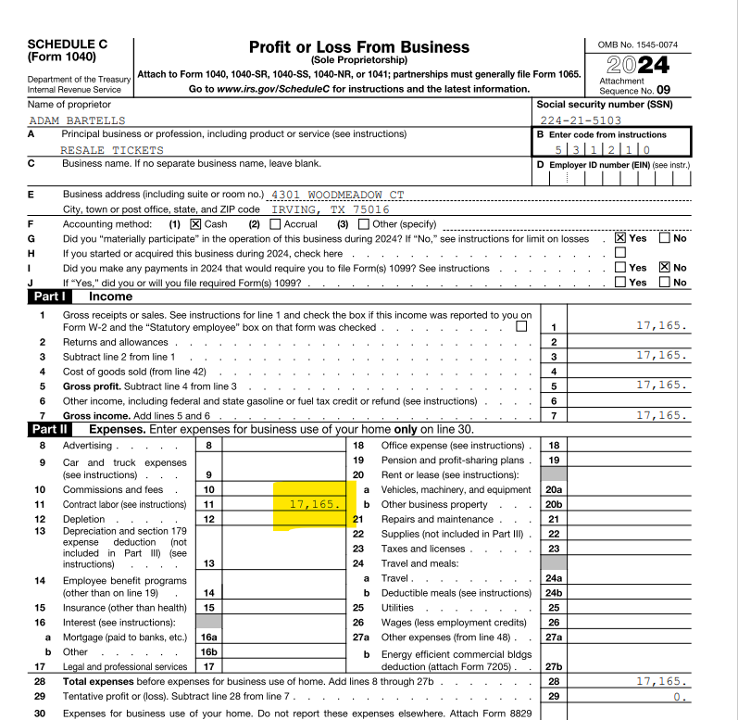
 |  |  |  |  |  | Gross Sales | 17,165
 |  |  |  |  |  | Nominee to 87-4556114 | (17,165) | Other Expenses
 |  |  |  |  |  |  | -

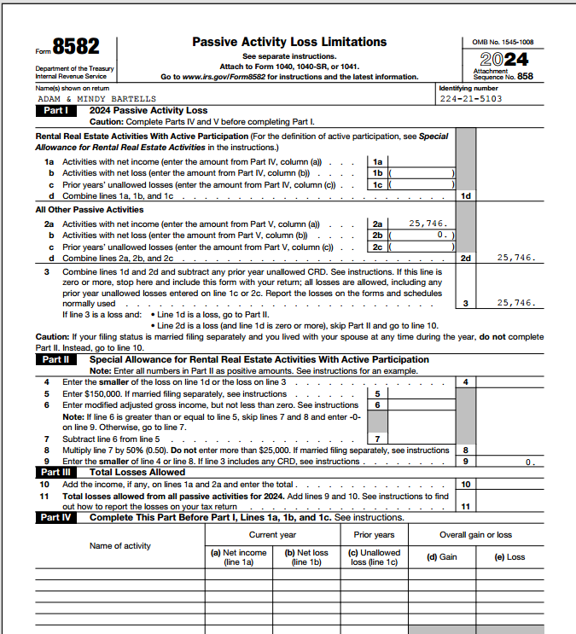
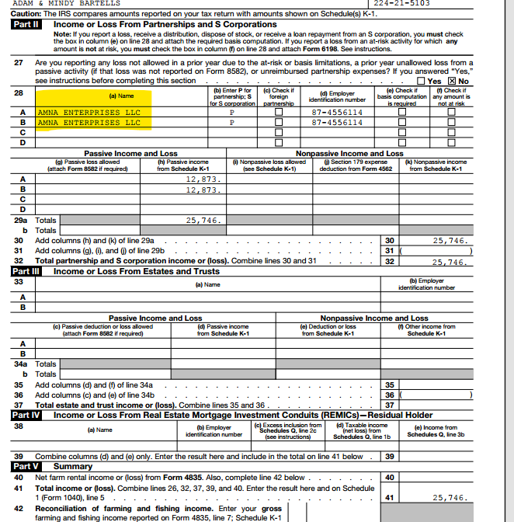

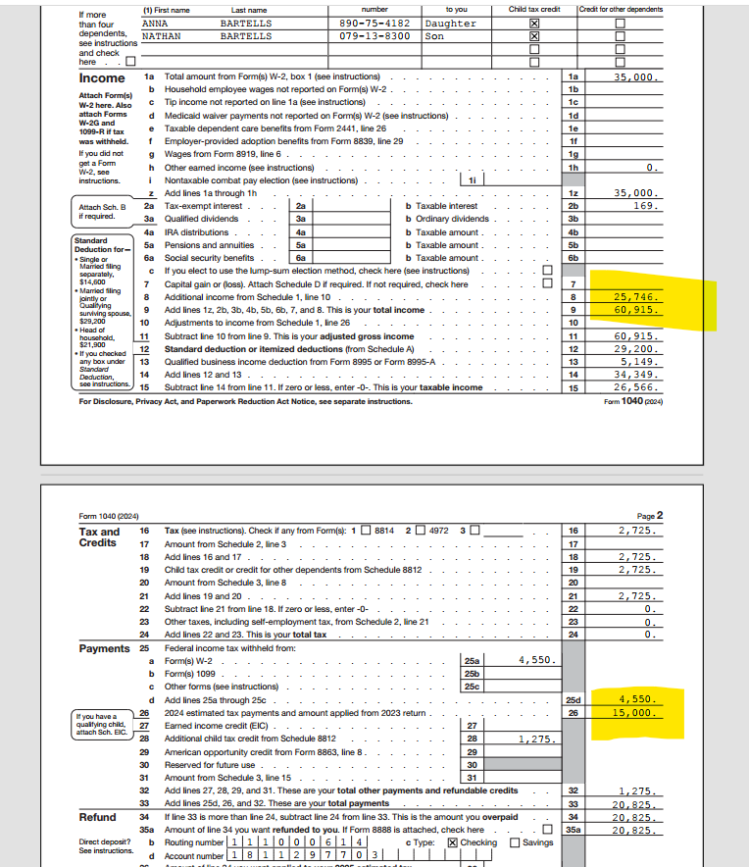

 |  |  |  |  | 14000
 |  |  |  |  | 2520

Recommendations/My Plan
- Cash Flow Optimization | Push estiamtes to YE
- Tax efficiency | Move to S corp, go forward it will impact as you grow, move expenses into businesses in an "intelligent way"
- Risk Mitigation | Intelligent aggression

1065
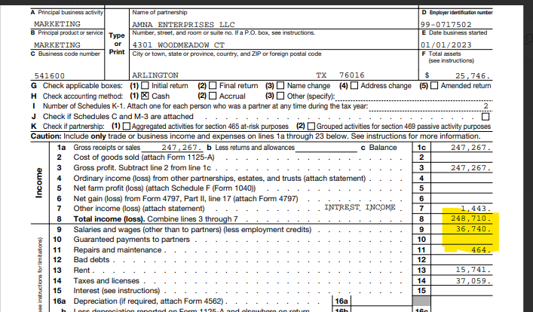
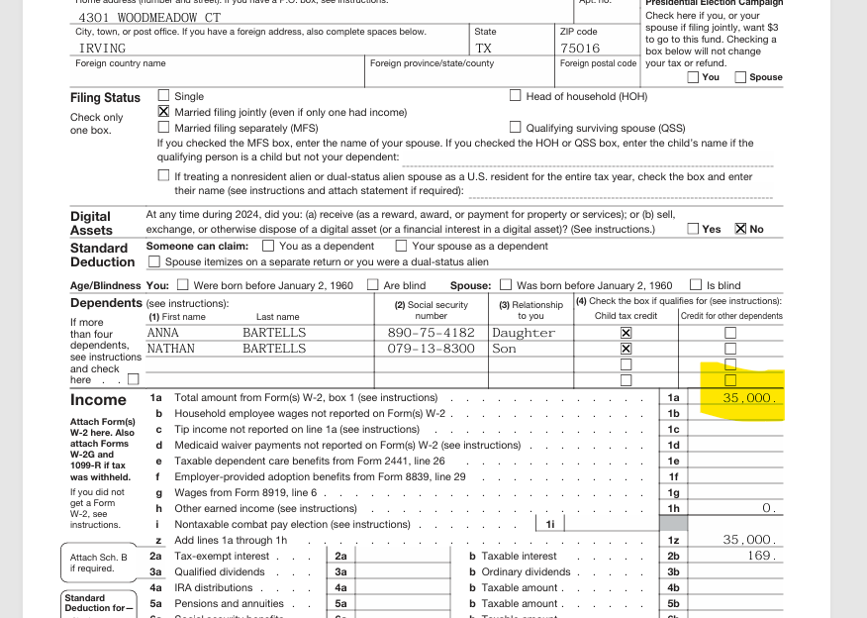

Payroll / Wages

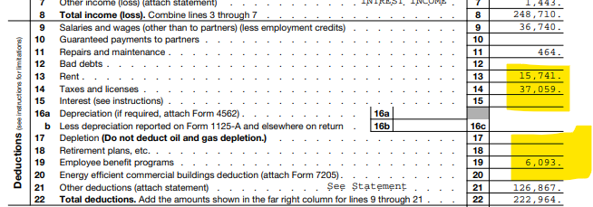
Taxes and licenses?

 | Investigate

Retirement or other EE Benefits?

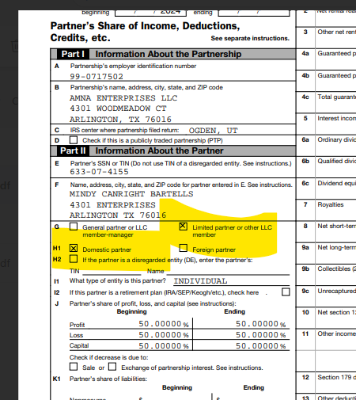

Passive vs Active

 |  | 39028.83

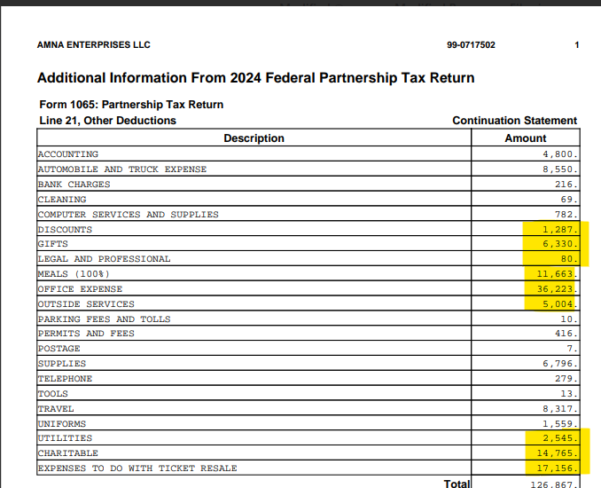

other expense

